Overview
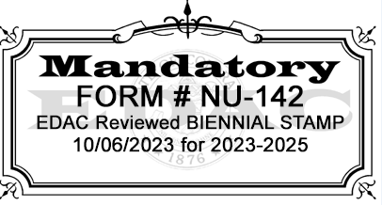
Steps
1) | Select a reference period (at least 5 consecutive days or 4 days who operate a 4 day school week)
2) | Enter nonprogram food served during reference period into Simplified Approach Template or similar tracking tool
3) | During the selected reference period, separate all nonprogram revenue and costs from program revenue and costs
4) | The supplied template will auto generate the percentage of nonprogram revenue to total revenue
4) | The supplied template will also auto generate the percentage of nonprogram food cost to total food cost
4) | If using a different template for tracking, please add data into the USDA NPR Tool to calculate the needed data for the percentages
5) | The simplified approach template and the USDA NPR tool will indicate if the percentage of nonprogram revenue generated is at least as great as the percentage of nonprogram food costs incurred during the reference period, the SFA is in compliance with Federal requirements
6) | If either tool indicates more revenue is needed, please indicate what source of funding with cover the difference and/or an action plan to become compliant (ex, raise prices)

Please keep back-up documentation for the selected reference week, such as invoices and purchase records. These may need further review during an Administrative Review. For public schools, continue to follow the chart of accounts for nonprogram revenue coding. It is a best practice to use an unassigned object code in the 630s series to track nonprogram food cost excluding (0630, 0632, 0633, 0639).

SP 20-2016 | Child Nutrition Reauthorization 2010: Local School Wellness (state.co.us)
 | The simplified approach, while still requiring SFAs to separate their nonprogram food costs from their program food costs, allows SFAs to select a reference period by which compliance will be assessed. Rather than separating all costs for the entire year, SFAs will separate their nonprogram food costs from their program food costs for a period of at least 5 consecutive operating days (or 4 consecutive days for schools that only operate 4 days). If the SFA is able to show that the percentage of nonprogram revenue generated is at least as great as the percentage of nonprogram food costs incurred during the reference period, the SFA is in compliance with Federal requirements. SFAs with the capacity to obtain separate nonprogram and program food cost and revenue data for a period longer than 5 consecutive days (e.g., monthly, annual, biweekly) are strongly encouraged to use data from the longer period to perform the assessment. All revenue and cost data used to assess compliance must reflect the same reference period. For example, if the revenue ratio is calculated using October 2014 data, the cost ratio must be calculated with October 2014 data. Similarly, if revenue information from the full 2014-2015 school year is used to calculate the revenue ratio, food cost information for the full 2014-2015 school year must be used to calculate the food cost ratio

